Guidance
How to provide Staff data for the first time
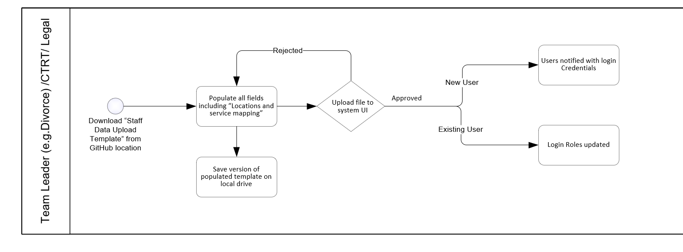

1. Download "Staff Data Upload Template"
2. Populate all the fields for each staff member including their region, base locations and the services they are qualified to work for
3. Save a version of the completed and populated template on a local drive.
4. Upload a version of the completed & populated template to the Staff Data Upload UI (i.e. the same UI used to download the original template"
5. If all upload checks are successful the Staff details are added/updated.
6. If checks are unsuccessful, an error message will identify the problem to be addressed within the file.
7. Correct and go to step 4.

How to update an existing user
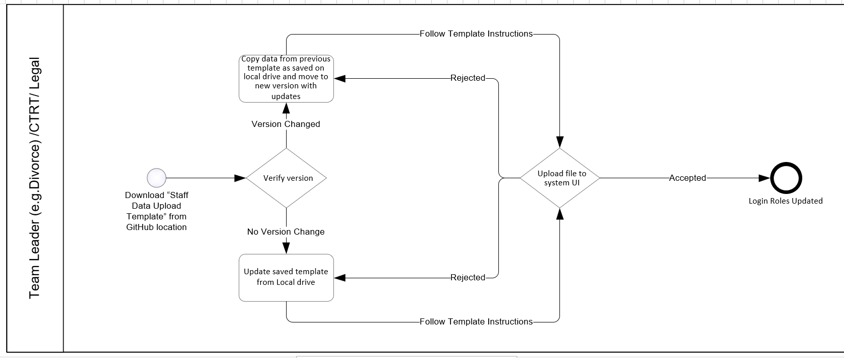
1. Download "Staff Data Upload Template"
2. Open the saved LOCAL VERSION of the last populated "Staff Data Upload Template"
3. CHECK IF THE DOWNLOADED TEMPLATE VERSION HAS CHANGED
e.g. If the original Template used to create Staff Records was called "Staff Data Upload Template V1.0", has this changed to "Staff Data Upload Template V2.0"?
4. If no new template version exists, update the relevant fields and go to step 6.
5. If a new template version exists, copy the data from previous LOCAL file and paste into NEW template, while populating any new/empty attributes for all users.
6. Save a new version of the completed and populated template on a local drive.
7. Upload a new version of the completed & populated template to the Staff Data Upload UI (i.e. the same UI used to download the original template"
8. If all upload checks are successful the Staff details are added/updated.
9. If checks are unsuccessful, an error message will identify the problem to be addressed within the file.
10. Correct and go to step 4.

How to disable a user/Leaver process
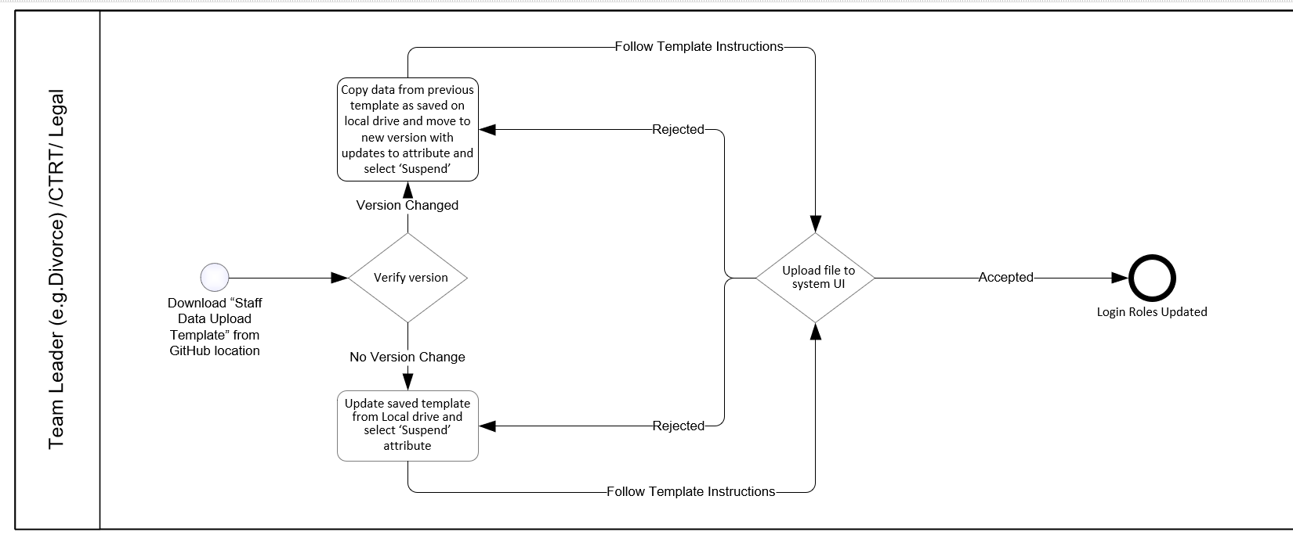
1. Download "Staff Data Upload Template"
2. Open the saved LOCAL VERSION of the last populated "Staff Data Upload Template"
3. CHECK IF THE DOWNLOADED TEMPLATE VERSION HAS CHANGED
e.g. If the original Template used to create Staff Records was called "Staff Data Upload Template V1.0", has this changed to "Staff Data Upload Template V2.0"?
4. If no new template version exists, open the LAST LOCALLY SAVED file and update the relevant staff record by selecting 'Yes' under the 'SUSPEND' column. Go to step 6.
5. If a new template version exists, copy the data from previous LOCAL file and paste into NEW template, while populating any new/empty attributes for all users.
6. Save a new version of the completed and populated template on a local drive.
7. Upload a new version of the completed & populated template to the Staff Data Upload UI (i.e. the same UI used to download the original template"
8. If all upload checks are successful the Staff details are added/updated.
9. If checks are unsuccessful, an error message will identify the problem to be addressed within the file.
10. Correct and go to step 4.

